READ THIS FIRST
 | The Joint Research Centre (JRC) of the European Commission developed a first version of HIAD togeter with the European project HySafe (2004-2009). Since then, the JRC maintains and updates the database. In 2017 the JRC together with the Fuel Cell and Hydrogen Joint Undertkaing (FCH 2 JU) upgraded it ito HIAD 2.0. It is now integrated in the activities of the European Hydrogen Safety Panel (EHSP). | 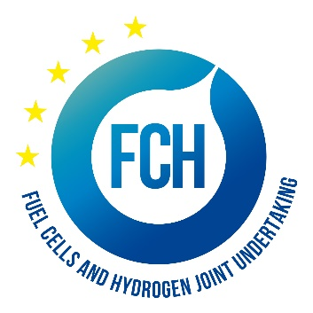

 | The Hydrogen Incidents and Accidents Database HIAD 2.0 is now offline due and works are ongoing to find a new online platform. To allow users to access the data and perform own searches, we have exported HIAD 2.0 data into a excel sheet will allow them to access and analyse the data according to their needs. This excel file contains the public data available in the European database HIAD 2.0 in date 01 January 2022.

 | The Database HIAD 2.0 is intended for public use. It is in first instance a repository of hydrogen-related unwanted events occurred in the past. All data had a publicly available primary or secondary source (news, inspection reports from public institutions, other public databases, scientific articles, etc.). As far as possible, HIAD 2.0 provides a traceable link to the original sources. The quality of the descriptions are completely dependent upon the quality and the level of details offered by the sources. A quality label is provided for each event, to guide the users and allow a down selection based on event descriptors quality. Whenever possible, HIAD 2.0 contains also a lesson learned and causes analysis. In several cases, however, the low quality of the event descriptors does not allow for a meaningful lesson learned. | 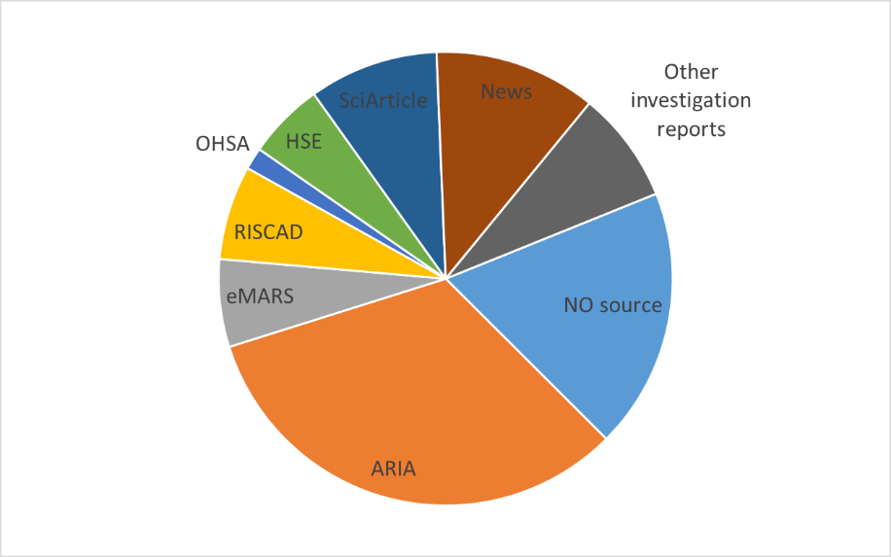

 | New events are regularly provided to HIAD 2.0 by the experts of JRC and of the EHSP. These events are first reviewed and validated (or rejected) by JRC experts, before becoming publicly available. The JRC validation is based on descriptors quality and coherence criteria. Users will access only validated events, with a quality lable from 2 to 5 (see next worksheet). Despite a continuous imrpvement effort, the some evetns descriptors contains some descriptors errors. This is unavoidable for a database of this dimension, developed and updated along 15 years by several scientists. We will be grateful for any notification of soem of these errors. | 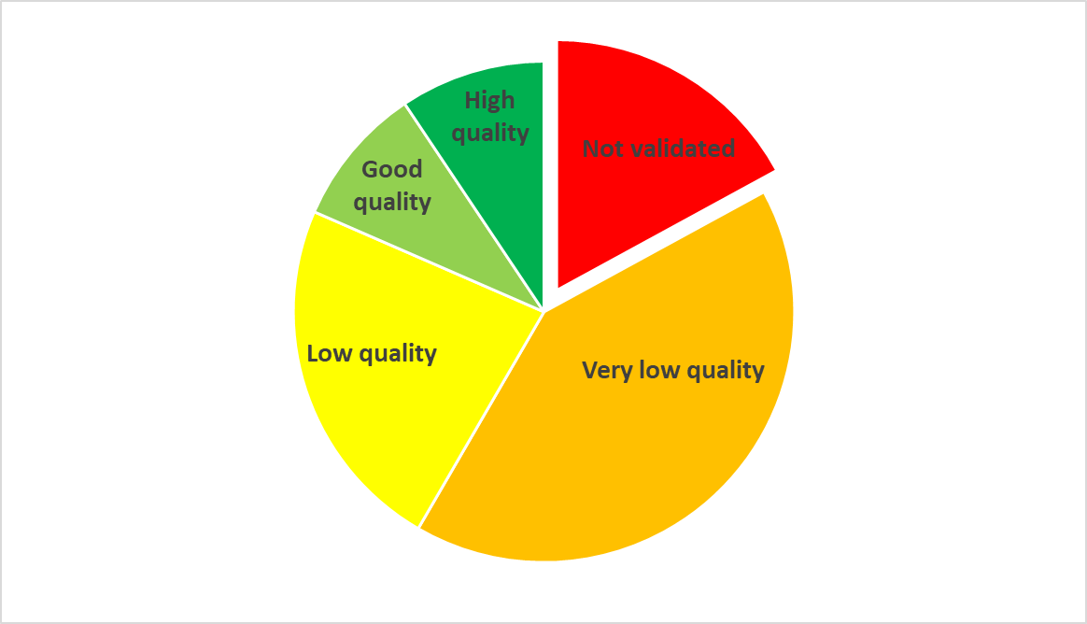

 | Neither the European Commission nor any person acting on its behalf is responsible for the use which might be made of the information contained in the database HIAD 2.0. The same is valid for the FCH 2 JU. Moreover, neither the European Commission nor the FCH 2 JU is responsible for the validity of the data contained in the original sources.

 | For IT-related reasons, the excel sheet does not contain the referred documents which are the first or secondary sources of the data. These can be provided on an ad hoc basis, following a specific request on a sub-set of the total dataset.

 | The use of the database and of the data contained within is free of charge, but its use should be properly acknowledged by mentioning the following (unfortunately a web-link is not available for now): | European Hydrogen Incidents and Accidents database HIAD 2.0, European Commission, Joint Research Centre, Petten, the Netherlands

 | For questions and update: | pietro.moretto@ec.europa.eu

 | The EHSP regularly performs thorough assessment of HIAD data according to a specific methodology and classification to gather lessons learnt and formulate recommendations. They also perform statistical analysis. The results of these are not contained in the Excel sheet but published separately on the FCH 2 JU web site. The report published in 2019 can be found at this link while an updated version will be published later this year: | Lessons%20learnt%20from%20HIAD%202.0-Final.pdf (europa.eu)

Classes & Labels
The EVENT DESCRIPTORS have been clustered and are presented here in separated worksheets: |  |  |  |  |  | The following classes aim at a clarify if the event had a a hydrogen-system at the start of the event:
 | EVENTS: major classification, narrative summary, date, location, causes classification
 | FACILITY: description of the applications/ supply chains step / end uses affected by the event. |  |  |  |  | Event Initiating system
 | CONSEQUENCES (both for humans and for the affected facility) |  |  |  |  | Hydrogen system initiating event
 | LESSON LEARNED (and corrective measures adopted) |  |  |  |  | Non-Hydrogen system initiating event
 | EVENT NATURE: whenever available, this section provides quantitative detailed information on the type of event (and the emergency actions udnertaken). |  |  |  |  | False-positive
 | RESOURCES: the reference to the original source documents (however, the ididvidual documents cannot be attached) |  |  |  |  | Unknown
Every worksheet start with the same major descriptors: HIAD identifier, event title and event full description.
 |  |  |  |  |  | In complex cases, it is not easy to apply such a distrinction. Some examples:
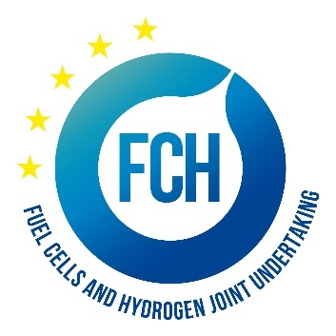
QUALITY OF THE EVENTS |  |  |  |  |  | A road crash is always a non-H2-initiating event.
A colour coding is applied to each event, corrsponding to this quality classification |  |  |  |  |  | A H2 release from a trailer/truck, is always a H2-system initating event
Quality classes: |  | N | Still missing a final assessment/improvemens |  |  | When H2 is produced accidently by an unwanted reaction, it does not involve any H2-system in place
 |  | 2 | Low quality: the majority of quantitative descriptors missing |  |  | Metal embrittlement due to H2-attack is a H2-system initating event, if H2 is present as part of the system.
 |  | 3 | Good quality: still some important descriptors missing
 |  | 4 | High quality: root cause analysis and lesson learned available,traceable sources with good techncial details and conclusions, etc..
 |  | 5 | High quality (root cause, lesson elarned, traceable and good sources)

Applications Stage |  |  |  | Application chain
Hydrogen production plants |  |  |  |  | Combined Heat and Power Generation
Hydrogen refuelling station |  |  |  |  | Power generation
Road vehicles |  |  |  |  | Ammonia production
Non-road vehicles |  |  |  |  | Refinery process
Stationary fuel cell |  |  |  |  | Glass industry
Portable fuel cell |  |  |  |  | Metallurgy
Laboratory / R&D |  |  |  |  | Methanol production
Chemical/Petrochemical industry |  |  |  |  | Chemical/Petrochemical industry (Other)
Other |  |  |  |  | Not specified

